Framework
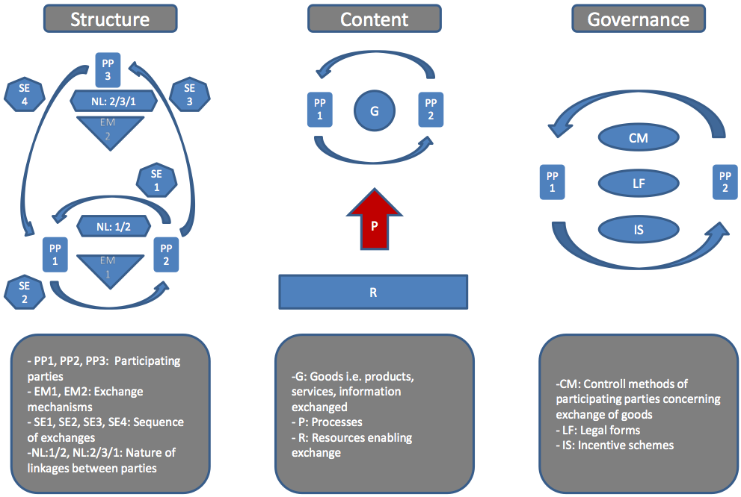
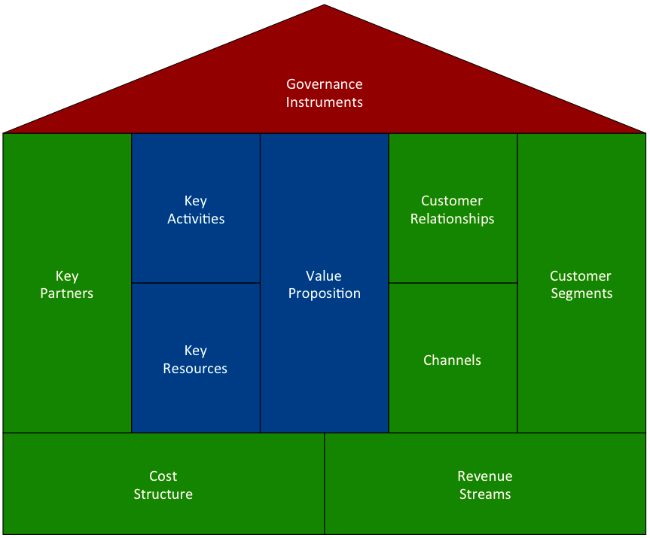
Due Diligence Framework |  | Amit and Zott (extended) | Osterwalder et al. (extended) | Framework of Amit and Zott (extended) | Framework of Osterwalder et al. (extended)
Merged Terminology

Content | Goods | Goods | Value Proposition
 | Processes | Processes | Key Activities
 | Resources | Resources | Key Resources

Structure | Participating Parties / Partners | Participating Parties | Key Partners
 | Participating Parties / Customers |  | Customer Segments
 | Participating Parties / Other |  | ---
 | Exchange Mechanisms / Revenue Streams | Exchange Mechanisms | Revenue Streams
 | Exchange Mechanisms / Cost Structure |  | Cost Structure
 | Exchange Mechanisms / Others |  | ---
 | Sequence of Exchange | Sequence of Exchange | ---
 | Nature of Linkages / Customer Relationships | Nature of Linkages | Customer Relationships
 | Nature of Linkages / Distribution Channels |  | Channels
 | Nature of Linkages / Others |  | ---

Governance | Governance Instruments / Control Methods | Control Methods | Governance Instruments
 | Governance Instruments / Legal Forms | Legal Forms
 | Governance Instruments / Incentive Schemes | Incentive Schemes
 | Governance Instruments / Other | ---

